RITA Application_C
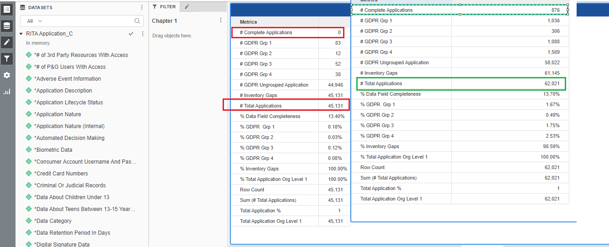
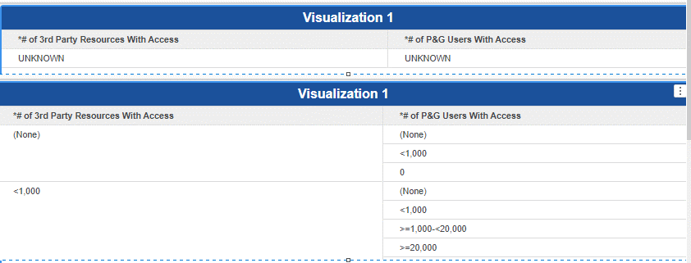
S No | Attribute | Prod Dev | Source | Prod
1 | *# of 3rd Party Resources With Access | Only Unknowns are displaying | Mega
2 | *# of P&G Users With Access | Only Unknowns are displaying
3 | *Adverse Medical Event Information | Only Having N Values |  | N and Y values
4 | *Application Description | Completed and working fine
5 | *Application Lifecycle Status
6 | *Application Nature
7 | *Application Nature (Internal)
8 | *Automated Decision Making | Working fine
9 | *Biometric Data | Only N
10 | *Consumer Account Username And Password | Only N
11 | *Credit Card Numbers | Only N
12 | *Criminal Or Judicial Records | Only N
13 | *Data About Children Under 13 | Only N
14 | *Data About Teens Between 13-15 Years Old | Only N
15 | *Data Category | UNSPECIFED is not handled
16 | *Data Retention Period In Days | Blank
17 | *Digital Signature Data | Only N
18 | *Electronic Identification Data | Only N
19 | *Family Composition | Only N
20 | *Financial Account Number | Only N
21 | *Genetic Data | Only N
22 | *Government ID ,Government-issued ID | Only N
23 | *Identification Data | Only N
24 | *Image/Sound Recordings | Only N
25 | *Implementation Supplier Name | Both Values are same as per the New codes
26 | *Implementation Supplier SAP Code
27 | *In Which Country Are You Collecting PII? | Working fine
28 | *Is The PII Data Accessed, Processed, Viewed Outside Of The EU? | Blank
29 | *L3 Business Processes | Working fine
30 | *LE(s) receiving the services? | Working fine
31 | *Other Health Or Medical Data | Only N
32 | *Other Supplier Name | Unspecified and Blank
33 | *Other Supplier SAP Code
34 | *Owning Org Level 1 Leader | Working fine
35 | *Owning Organization | Working fine
36 | *P&G Asset Owner | Working fine
37 | *Personal Characteristics | Only N
38 | *PII Data Handled For Specific Business Process | only UNSPECIFED
39 | *Political Opinions, Political Party Affiliation | Only N
40 | *Precise Geo Location Data | Only N
41 | *Privacy Risk | UNSPECIFED
42 | *Profession | Only N
43 | *Protected Health Information as Defined By HIPAA | Only N
44 | *Racial Or Ethnic Origin | Only N
45 | *Reason For Data Collection | Null
46 | *SAP Vendor(s) Name | Both Values are same as per the New codes
47 | *SAP Vendor(s) Number
48 | *Service Operation Supplier Name | Both Values are same as per the New codes
49 | *Service Operation Supplier SAP Code
50 | *Sex Life, Sexual Orientation Questions | Only N
51 | *Software Supplier Name | Both Values are same as per the New codes
52 | *Software Supplier SAP Code
53 | *Technology Supplier Name | Working fine
54 | *Technology Supplier SAP Code | Working fine
55 | *Trade Union Membership | Only N
56 | *Vendor Qualification | UNKNOWN
57 | *Volume Of Records - ALL countries | Working fine
58 | *Volume of Records - EU countries | Working fine
59 | App Mgr Email | Blank
60 | App Mgr Name | Blank
61 | Application GDPR Grouping Name Calculated | N/A
62 | Application ID | Working fine
63 | Application Repository Sub Type | UNKNOWN
64 | Application Repository Type | UNKNOWN
65 | Behavioral Data | Working fine
66 | Birthdate | Working fine
67 | Browser Cookie Data | Working fine
68 | Comments / Other Information About The Application | Blank
69 | Data About Teens 16-18 | Working fine
70 | Data Asset Name | Working fine
71 | Data Classification | Have Unknow - Public Information is not avaialble
72 | Data Elements Combined Flag | Working fine
73 | Data Subject Rights Result | UNKNOWN
74 | DataRetentionDefImplemented | Blank
75 | DataRetentionEvidence | Blank
76 | DataRetentionStatus | UNKNOWN
77 | DataSubjRightsCentralTeam | Blank
78 | DataSubjRightsEvidence | Blank
79 | DPIA: Result | UNKNOWN
80 | DPIA: Status | UNKNOWN
81 | DpiaDonebyLegal | Blank
82 | DpiaEvidence | Blank
83 | Ease Hyperlink | Blank
84 | Email address | Working fine
85 | Employee Account Username and Password | Working fine
86 | Employee Band Level | Working fine
87 | Employee T# | Working fine
88 | Employee Work Location | Working fine
89 | Gap and NoGap Applications | Not working as expected
90 | GDPR Flagoverrode Flag | Not working as expected
91 | GDPR Grouping | Working fine
92 | GDPR Grouping Overrode Flag | Logic is not working as expected then compaired to PROD instance
93 | GDPR Relevant Flag
94 | GDPR Relevant Flag Calculated
95 | GDPR Sensitivity | UNSPECIFIED case is not handeled
96 | Gender | Working fine
97 | Geographic Data, Imprecise (not within 3.2187KM) | Working fine
98 | Grace Period | Not working as expected
99 | Grace Period Flag
100 | Grace Period Start Date
101 | Hosting Type | List is not matched with current PROD instance
102 | Information Which Contans Pseudonymized Data | Working fine
103 | InfoSec Classification | Blank
104 | InventoryEvidence | Blank
105 | InventoryKeptUptoDate | Blank
106 | InventoryResult | UNKNOWN
107 | InventoryStatus | UNKNOWN
108 | IP Address | Working fine
109 | IRisk Last Performed | Blank
110 | L0 Owning Organization | Working fine
111 | L1 Owning Organization | Working fine
112 | L2 Owning Organization | Working fine
113 | L2 Owning Organization Leader (Dir) | Working fine
114 | L3 Owning Organizaiton | Working fine
115 | L3 Owning Organization Leader (AD) | Working fine
116 | Last Reviewed Date | Working fine
117 | Lawful BasisResult | UNKNOWN
118 | Lawful BasisStatus | UNKNOWN
119 | LawfulnessBasisEvidence | Blank
120 | LawfulnessBasisProcessing | Blank
121 | Mac Address | Working fine
122 | Marital Status | Working fine
123 | Mega Creation Date | Working fine
124 | Mega ID | Working fine
125 | Mega Update Date | Working fine
126 | Minimization | Blank
127 | MinimizationEvidence | Blank
128 | Mobile device Ids | Working fine
129 | Mobile Phone Number | Working fine
130 | Name | Working fine
131 | NoticeEvidence | Blank
132 | NoticeProcessing | Blank
133 | NoticesResult | UNKNOWN
134 | NoticesStatus | UNKNOWN
135 | Other (e.g. customer) Account Username and Password | Working fine
136 | Other demographic and behavioral data gathered online | Working fine
137 | PG CSA Last Performed | Blank
138 | Phone Numbers (not Mobile) | Working fine
139 | PII for authentication/ authorization only | No, Yes and Unspecified |  | only No or yes
140 | Postal address | Working fine
141 | Project Team GDPR Relevant Overwritten Flag | Only N
142 | Reasonable InfoSec: Result | UNKNOWN
143 | Reasonable InfoSec: Status | UNKNOWN
144 | ReasonInfosecUctrl | Blank
145 | ReasonInfosecUctrlEvidence | Blank
146 | Retired Date(Decommission) | Working fine
147 | Salary amount or level | Working fine
148 | Salary or benefits data | Working fine
149 | Scope Doc Name | Blank
150 | Snow ID | Blank
151 | Source Type | UNKNOWN
152 | Vendor Manager | Working fine
153 | VendorsEvidence | Blank
154 | VendorsPrivacyInfosecUpdated | Blank
155 | VendorsResult | UNKNOWN
156 | VendorsStatus | UNKNOWN
157 | Zip codes | Working fine

S No | Metrics | Prod dev |  | PROD
1 | # GDPR 1 Total Application | Completed and Working fine
2 | # GDPR 2 Total Application | Completed and Working fine
3 | # GDPR 3 Total Application | Completed and Working fine
4 | # GDPR 4 Total Application | Completed and Working fine
5 | # GDPR Ungrouped Application | Completed and Working fine
6 | # Inventory Gaps | Completed and Working fine
7 | # Of Complete Applications | Completed and Working fine
8 | # Of Total Applications | Completed and Working fine
9 | % Data Field Completeness | Completed and Working fine
10 | % Inventory Gaps | Completed and Working fine
11 | % Total Application Org Level 1 | Completed and Working fine
12 | Row Count | Completed and Working fine
13 | Total Application Org Level 1 | Completed and Working fine

 | PROD Dev |  |  | PROD
 | # GDPR 1 Total Application | 1,015 |  | # GDPR 1 Total Application | 1,015
 | # GDPR 2 Total Application | 307 |  | # GDPR 2 Total Application | 307
 | # GDPR 3 Total Application | 1,058 |  | # GDPR 3 Total Application | 1,058
 | # GDPR 4 Total Application | 1,430 |  | # GDPR 4 Total Application | 1,430
 | # GDPR Ungrouped Application | 57,539 |  | # GDPR Ungrouped Application | 57,445
 | # Inventory Gaps | 60,470 |  | # Inventory Gaps | 60,375
 | # Of Complete Applications | 879 |  | # Of Complete Applications | 880
 | # Of Total Applications | 61,349 |  | # Of Total Applications | 61,255
 | % Data Field Completeness | 12.45% |  | % Data Field Completeness | 12.46%
 | % Inventory Gaps | 98.57% |  | % Inventory Gaps | 98.56%
 | % Total Application Org Level 1 | 100.00% |  | % Total Application Org Level 1 | 100.00%
 | Row Count | 61,349 |  | Row Count | 61,255
 | Total Application Org Level 1 | 61,349 |  | Total Application Org Level 1 | 61,255

 | Metric validation

RITA_Application_Governance_C
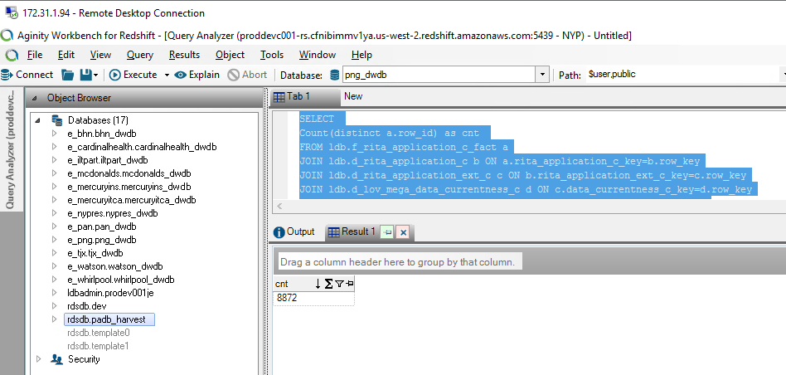
S No | Attribute | Source | UAT Validation | PROD Instance | VI Changes
1 | Always On CBP
2 | App Owner Employee Type
3 | App Owner Validity (y/n)
4 | Application Description
5 | Application ID
6 | Application Name
7 | Application Owner Email Address
8 | Application Owner Full Name
9 | Application/Technology Nature
10 | BIA Rating for Availability
11 | BIA Rating for Confidentiality
12 | BIA Rating for Integrity
13 | Business Process
14 | Commissioning Memo Date Approved
15 | Commissioning Memo Document Link
16 | CREATIONDATE
17 | CREATOR
18 | Critical Apps
19 | Data Privacy
20 | Data Classification
21 | Data Correctness
22 | Data Currentness
23 | Data Privacy
24 | Data Retention Period (Actual policy which is in place)
25 | Database
26 | EA Data Compliance
27 | EA Missing Data
28 | Hex Ext ID (Internal)
29 | Hex ID (Internal)
30 | Hosting
31 | Implementation Supplier
32 | Instance
33 | iRisk Data Compliance
34 | iRisk Date
35 | Keyword-Subject Area
36 | L0 Owning Organization
37 | Last Reviewed Date
38 | Lead Solution Architect
39 | License
40 | Life Cycle Status
41 | Link to EASE
42 | Owning Organization
43 | Owning Organization Level 1
44 | Owning Organization Level 1 Leader
45 | Owning Organization Level 2
46 | Owning Organization Level 2 Leader
47 | Owning Organization Level 3
48 | Owning Organization Level 3 Leader
49 | P&G Application Owner
50 | RAMP Date
51 | RAMP Location
52 | Registration Data Compliance
53 | Registration Missing Data
54 | Registration Overall Compliance
55 | Regulated System
56 | Release
57 | Server
58 | Service Operations Supplier
59 | Site Name
60 | Snow ID
61 | Sox Classification
62 | Standard
63 | Technology Supplier
64 | Validation Data Compliance
65 | Validation Missing Data
66 | Vendor Software Supplier

S No | Metrics |  | Prod dev | PROD
1 | # of Data Correct Applications |  | Completed and Working fine
2 | # of Data Current Applications |  | Completed and Working fine
3 | # of Data InCorrect Applications |  | Completed and Working fine
4 | # of EA Compliant Applications |  | Completed and Working fine
5 | # of EA Non Compliant Applications |  | Completed and Working fine
6 | # of IT Risk Assessment Complete Applications |  | Completed and Working fine
7 | # of IT Risk Assessment InComplete Applications |  | Completed and Working fine
8 | # of Non Current Applications |  | Completed and Working fine
9 | # of Registration Complete Applications |  | Completed and Working fine
10 | # of Registration Compliant Applications |  | Completed and Working fine
11 | # of Registration InComplete Applications |  | Completed and Working fine
12 | # of Registration Non Compliant Applications |  | Completed and Working fine
13 | # of Validation Compliant Applications |  | Completed and Working fine
14 | # of Validation Non Compliant Applications |  | Completed and Working fine
15 | % Data Complete |  | Completed and Working fine
16 | % Data Correct |  | Completed and Working fine
17 | % Data Current |  | Completed and Working fine
18 | % EA Compliance |  | Completed and Working fine
19 | % IT Risk Assessment |  | Completed and Working fine
20 | % Legal Validation Compliance |  | Completed and Working fine
21 | % of EA Compliance Apps |  | Completed and Working fine
22 | % of Registration Compliant Apps |  | Completed and Working fine
23 | % of Registration Data Complete Apps |  | Completed and Working fine
24 | % of Registration Data Correct Apps |  | Completed and Working fine
25 | % of Registration Data Current Apps |  | Completed and Working fine
26 | % of Validation Compliance Apps |  | Completed and Working fine
27 | % Registration Compliance |  | Completed and Working fine
28 | % Risk Completeness |  | Completed and Working fine
29 | Data Correct |  | Completed and Working fine
30 | Data Current |  | Completed and Working fine
31 | Row Count |  | Completed and Working fine
32 | Total # of Apps |  | Completed and Working fine

 | Prod Dev |  |  | PROD instance
 | # of Data Correct Applications |  | 7,135 | # of Data Correct Applications | 7,029
 | # of Data Current Applications |  | 4,826 | # of Data Current Applications | 4,866
 | # of Data InCorrect Applications |  | 1,737 | # of Data InCorrect Applications | 1,749
 | # of EA Compliant Applications |  | 730 | # of EA Compliant Applications | 729
 | # of EA Non Compliant Applications |  | 8,142 | # of EA Non Compliant Applications | 8,049
 | # of IT Risk Assessment Complete Applications |  | 1,010 | # of IT Risk Assessment Complete Applications | 1,007
 | # of IT Risk Assessment InComplete Applications |  | 7,862 | # of IT Risk Assessment InComplete Applications | 7,771
 | # of Non Current Applications |  | 4,046 | # of Non Current Applications | 3,912
 | # of Registration Complete Applications |  | 4,207 | # of Registration Complete Applications | 4,218
 | # of Registration Compliant Applications |  | 3,478 | # of Registration Compliant Applications | 3,485
 | # of Registration InComplete Applications |  | 4,665 | # of Registration InComplete Applications | 4,560
 | # of Registration Non Compliant Applications |  | 5,394 | # of Registration Non Compliant Applications | 5,293
 | # of Validation Compliant Applications |  | 14 | # of Validation Compliant Applications | 14
 | # of Validation Non Compliant Applications |  | 8,858 | # of Validation Non Compliant Applications | 8,764
 | % Data Complete |  | 89.51 | % Data Complete | 89.68
 | % Data Correct |  | 80.42 | % Data Correct | 80.08
 | % Data Current |  | 54.40 | % Data Current | 55.43
 | % EA Compliance |  | 21.56 | % EA Compliance | 21.43
 | % IT Risk Assessment |  | 11.38 | % IT Risk Assessment | 11.47
 | % Legal Validation Compliance |  | 0.80 | % Legal Validation Compliance | 0.81
 | % of EA Compliance Apps |  | 8.23 | % of EA Compliance Apps | 8.30
 | % of Registration Compliant Apps |  | 39.20 | % of Registration Compliant Apps | 39.70
 | % of Registration Data Complete Apps |  | 47.42 | % of Registration Data Complete Apps | 48.05
 | % of Registration Data Correct Apps |  | 80.42 | % of Registration Data Correct Apps | 80.08
 | % of Registration Data Current Apps |  | 54.40 | % of Registration Data Current Apps | 55.43
 | % of Validation Compliance Apps |  | 0.16 | % of Validation Compliance Apps | 0.16
 | % Registration Compliance |  | 74.77 | % Registration Compliance | 75.06
 | % Risk Completeness |  | 11.38 | % Risk Completeness | 11.47
 | Data Correct |  | 7,135 | Data Correct | 7,029
 | Data Current |  | 4,826 | Data Current | 4,866
 | Row Count |  | 8,872 | Row Count | 8,778
 | Total # of Apps |  | 8,872 | Total # of Apps | 8,778

 | SELECT Count(distinct a.row_id) as cnt FROM ldb.f_rita_application_c_fact a JOIN ldb.d_rita_application_c b ON a.rita_application_c_key=b.row_key JOIN ldb.d_rita_application_ext_c c ON b.rita_application_ext_c_key=c.row_key JOIN ldb.d_lov_mega_data_currentness_c d ON c.data_currentness_c_key=d.row_key JOIN ldb.d_lov_mega_data_correct_c e ON c.data_correct_c_key=e.row_key JOIN ldb.d_processing_activities_managing_organization_c a12 ON a.managing_organization_c_key=a12.row_key JOIN ldb.d_lov_processing_activities_ot_life_cycle_status_c a13 ON b.application_lifecycle_status_c_key=a13.row_key JOIN ldb.d_lov_processing_activities_ot_repository_type_c a14 ON b.application_nature_c_key=a14.row_key Where (a14.cust_dimension_name_c IN ('Application','Application - Externally Owned','Application Platform','Application Platform - Externally Owned') AND a13.source_dimension_name IN ('Design/Build', 'Launch/Deploy', 'Discovery/Requ.','UNSPECIFIED','Leverage/Optimize', 'Qualify/Deliver', 'Retired', 'Sunset','Exception') ) AND a.soft_deleted_flag='N'

